Trend
Trend by Sales
Row Labels | Sum of Total
Jan | 116291.868
01-Jan | 4745.181
02-Jan | 1945.503
03-Jan | 2078.1285
04-Jan | 1623.6885
05-Jan | 3536.6835
06-Jan | 3614.205
07-Jan | 2834.244
08-Jan | 5293.7325
09-Jan | 3021.3435
10-Jan | 3560.949
11-Jan | 2114.9625
12-Jan | 5184.7635
13-Jan | 2451.204
14-Jan | 3966.6165
15-Jan | 5944.26
16-Jan | 4289.082
17-Jan | 3142.755
18-Jan | 2780.4735
19-Jan | 4914.7245
20-Jan | 3655.449
21-Jan | 2392.0995
22-Jan | 1704.7695
23-Jan | 5994.1875
24-Jan | 5402.0505
25-Jan | 4700.367
26-Jan | 4457.5125
27-Jan | 4635.897
28-Jan | 4999.7115
29-Jan | 3516.5655
30-Jan | 2558.262
31-Jan | 5232.4965
Feb | 97219.374
01-Feb | 2444.5365
02-Feb | 4140.948
03-Feb | 5467.9275
04-Feb | 2439.4965
05-Feb | 3031.1295
06-Feb | 2905.4235
07-Feb | 7228.2105
08-Feb | 5084.6565
09-Feb | 3271.8945
10-Feb | 3141.0225
11-Feb | 4542.153
12-Feb | 2998.989
13-Feb | 934.2375
14-Feb | 2454.0915
15-Feb | 6830.7855
16-Feb | 2503.767
17-Feb | 5299.5705
18-Feb | 1496.0295
19-Feb | 4228.119
20-Feb | 2706.417
21-Feb | 1393.7385
22-Feb | 2442.3105
23-Feb | 2339.589
24-Feb | 2722.461
25-Feb | 4807.236
26-Feb | 2408.1645
27-Feb | 5859.4515
28-Feb | 2097.018
Mar | 109455.507
01-Mar | 2634.366
02-Mar | 6560.3055
03-Mar | 4853.1735
04-Mar | 3894.4395
05-Mar | 6230.8785
06-Mar | 3092.5965
07-Mar | 1438.2585
08-Mar | 3125.388
09-Mar | 7474.047
10-Mar | 3163.23
11-Mar | 2961.252
12-Mar | 3677.5515
13-Mar | 2063.607
14-Mar | 7214.634
15-Mar | 2942.415
16-Mar | 3154.473
17-Mar | 1976.289
18-Mar | 1292.8335
19-Mar | 5740.392
20-Mar | 5458.2045
21-Mar | 1877.5155
22-Mar | 3179.148
23-Mar | 4095.042
24-Mar | 3477.4635
25-Mar | 2272.9665
26-Mar | 1962.513
27-Mar | 2902.8195
28-Mar | 2229.402
29-Mar | 4023.243
30-Mar | 4487.0595
Grand Total | 322966.749

Most revenue city
Most Revenue City
City | Sum of gross income
Mandalay | 5057.032
Naypyitaw | 5265.1765
Yangon | 5057.1605
Grand Total | 15379.369

Payment
Most Time Using Payments
Payment | Count of Time
Cash | 344
Credit card | 311
Ewallet | 345
Grand Total | 1000

Most selling product by city
Most Selling Product by City
Sum of Quantity | Column Labels
Row Labels | Mandalay | Naypyitaw | Yangon | Grand Total
Electronic accessories | 316 | 333 | 322 | 971
Fashion accessories | 297 | 342 | 263 | 902
Food and beverages | 270 | 369 | 313 | 952
Health and beauty | 320 | 277 | 257 | 854
Home and lifestyle | 295 | 245 | 371 | 911
Sports and travel | 322 | 265 | 333 | 920
Grand Total | 1820 | 1831 | 1859 | 5510

Average rating by products
Average Rating By Product
Product | Average of Rating
Electronic accessories | 6.9247058824
Fashion accessories | 7.0292134831
Food and beverages | 7.1132183908
Health and beauty | 7.0032894737
Home and lifestyle | 6.8375
Sports and travel | 6.9162650602
Grand Total | 6.9727

Dashboard
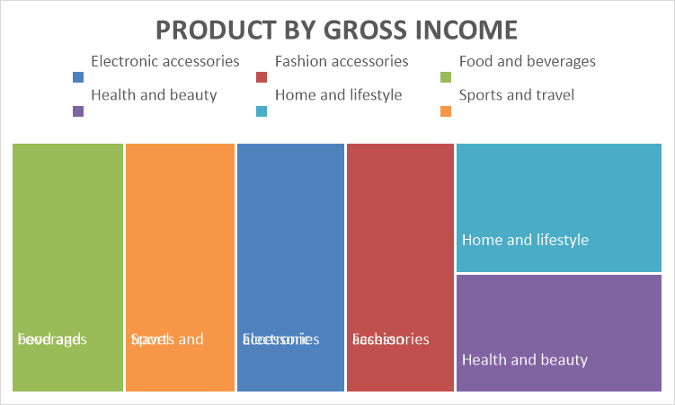
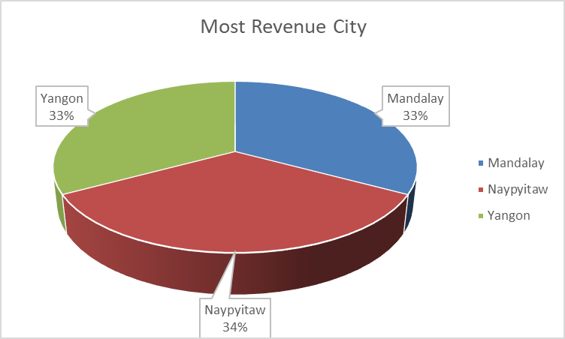
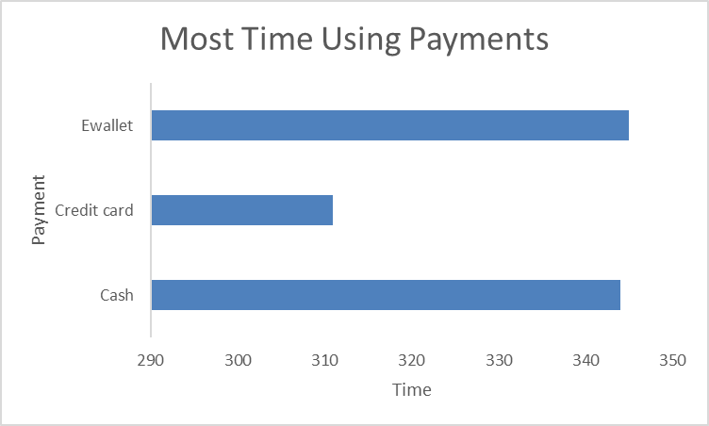
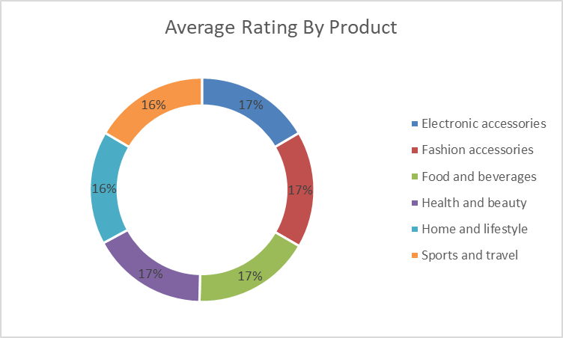
SALES INSIGHT DASHBOARD
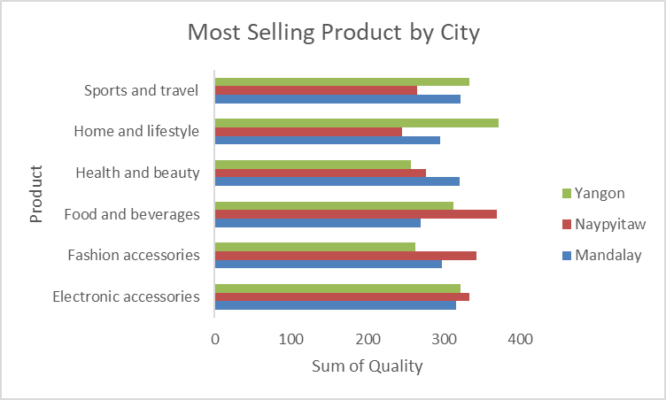
Trend by Sales
 | Total
01-Jan | 4745.181
02-Jan | 1945.503
03-Jan | 2078.1285
04-Jan | 1623.6885
05-Jan | 3536.6835
06-Jan | 3614.205
07-Jan | 2834.244
08-Jan | 5293.7325
09-Jan | 3021.3435
10-Jan | 3560.949
11-Jan | 2114.9625
12-Jan | 5184.7635
13-Jan | 2451.204
14-Jan | 3966.6165
15-Jan | 5944.26
16-Jan | 4289.082
17-Jan | 3142.755
18-Jan | 2780.4735
19-Jan | 4914.7245
20-Jan | 3655.449
21-Jan | 2392.0995
22-Jan | 1704.7695
23-Jan | 5994.1875
24-Jan | 5402.0505
25-Jan | 4700.367
26-Jan | 4457.5125
27-Jan | 4635.897
28-Jan | 4999.7115
29-Jan | 3516.5655
30-Jan | 2558.262
31-Jan | 5232.4965
01-Feb | 2444.5365
02-Feb | 4140.948
03-Feb | 5467.9275
04-Feb | 2439.4965
05-Feb | 3031.1295
06-Feb | 2905.4235
07-Feb | 7228.2105
08-Feb | 5084.6565
09-Feb | 3271.8945
10-Feb | 3141.0225
11-Feb | 4542.153
12-Feb | 2998.989
13-Feb | 934.2375
14-Feb | 2454.0915
15-Feb | 6830.7855
16-Feb | 2503.767
17-Feb | 5299.5705
18-Feb | 1496.0295
19-Feb | 4228.119
...

